Sheet1


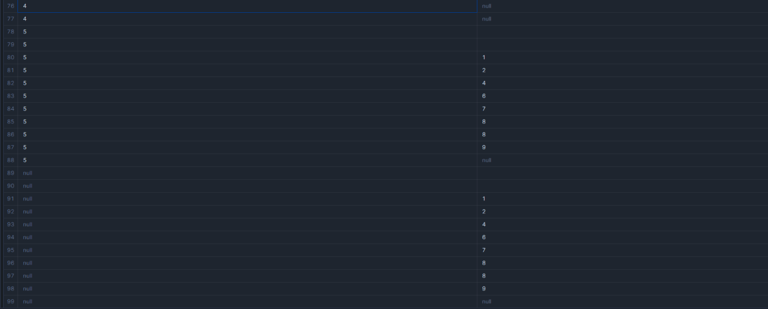
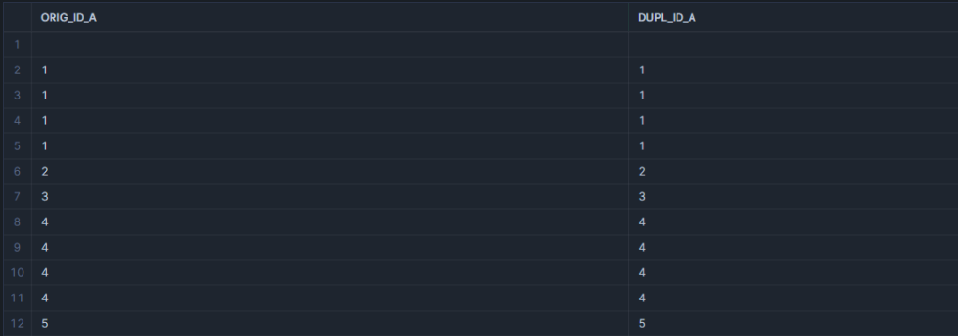
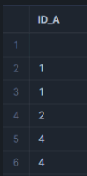
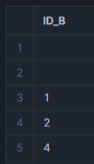
 |  |  |  |  |  | INNER JOIN | SELF JOIN |  | SEMI JOIN
 |  |  |  | JOINS & ITS TYPES

 | Table A |  | Table B | Joins Types | Total Rows
 | 1 |  | 1
 | 1 |  | 2 | INNER JOIN | 7
 | 2 |  | 4 |  |  | LEFT JOIN
 | 3 |  | 6 | LEFT JOIN/LEFT OUTER JOIN | 10
 | 4 |  | 7
 | 4 |  | 8 | RIGHT JOIN | 13
 | 5 |  | 8
 | " " |  | 9 | FULL OUTER JOIN | 16
 | NULL |  | NULL
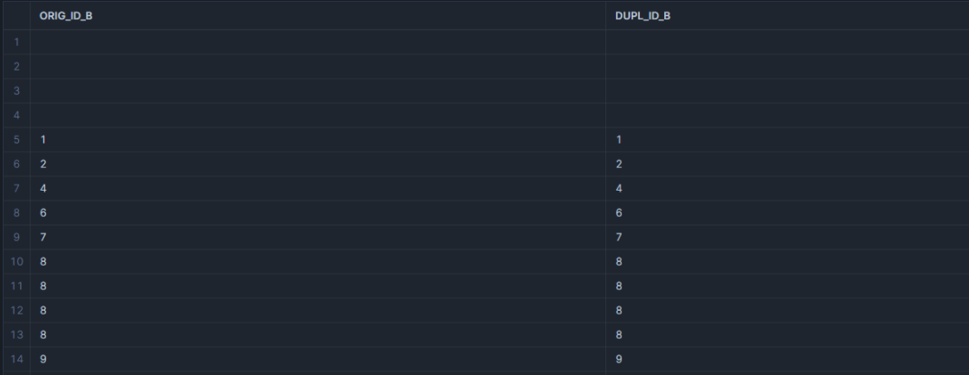
 |  |  | " " | CROSS JOIN(Cartesian Join) | 99
 |  |  | " " |  |  |  |  |  | ANTI JOIN
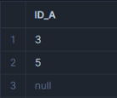
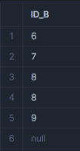
 |  |  |  | SELF JOIN | 12 & 14
Count(*) | 9 |  | 11
COUNT(unique) - No Duplicates | 5 |  | 7 | SEMI JOIN | 6 & 5

 |  |  |  | ANTI JOIN | 3 & 6
 |  |  |  |  |  | RIGHT JOIN
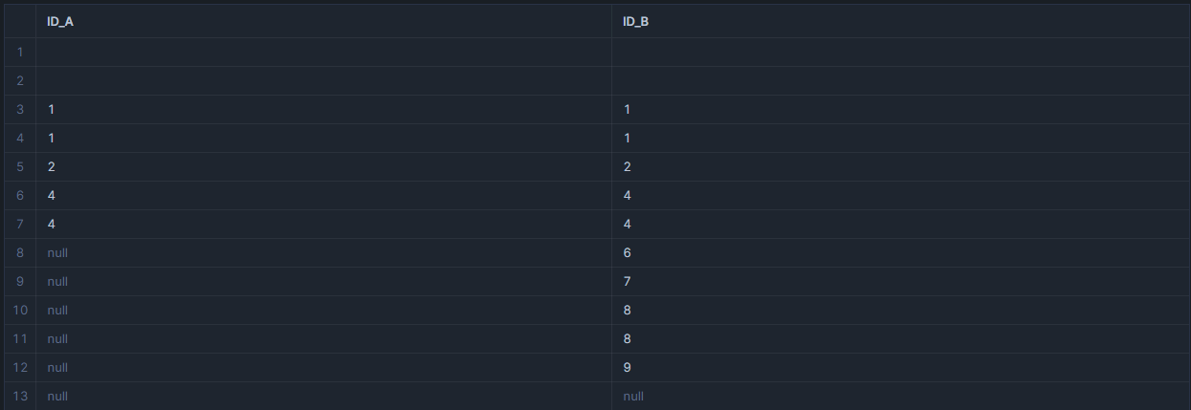

 | FULL OUTER JOIN
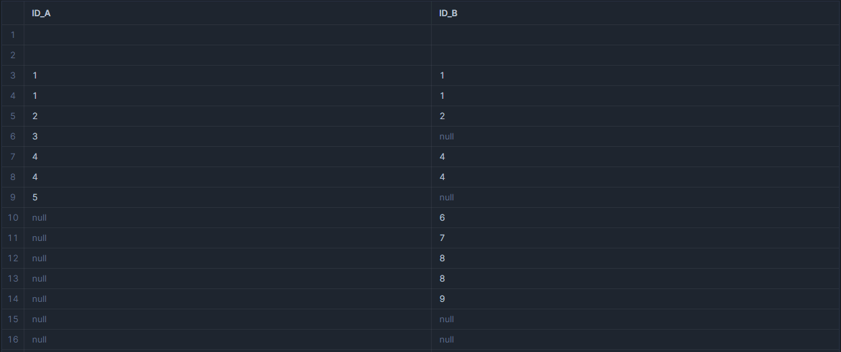

 |  |  |  |  |  |  |  | VENN DIAGRAM

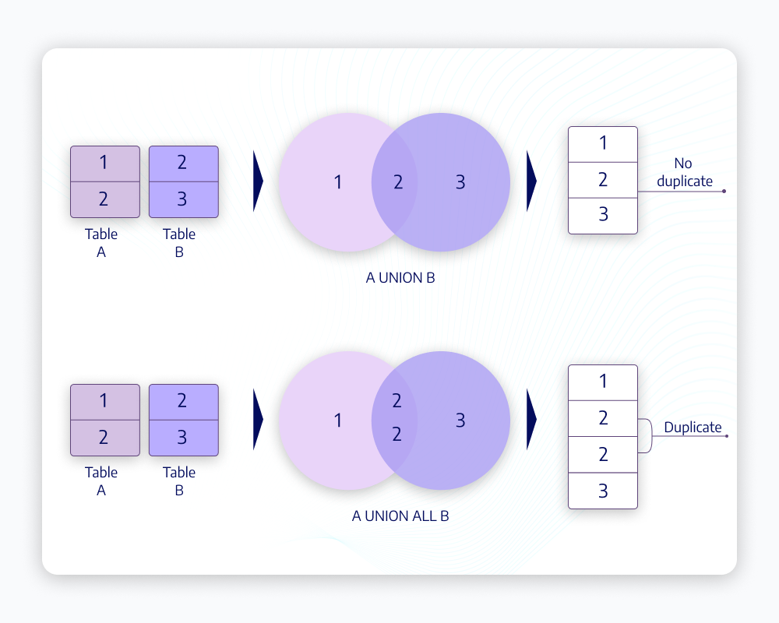
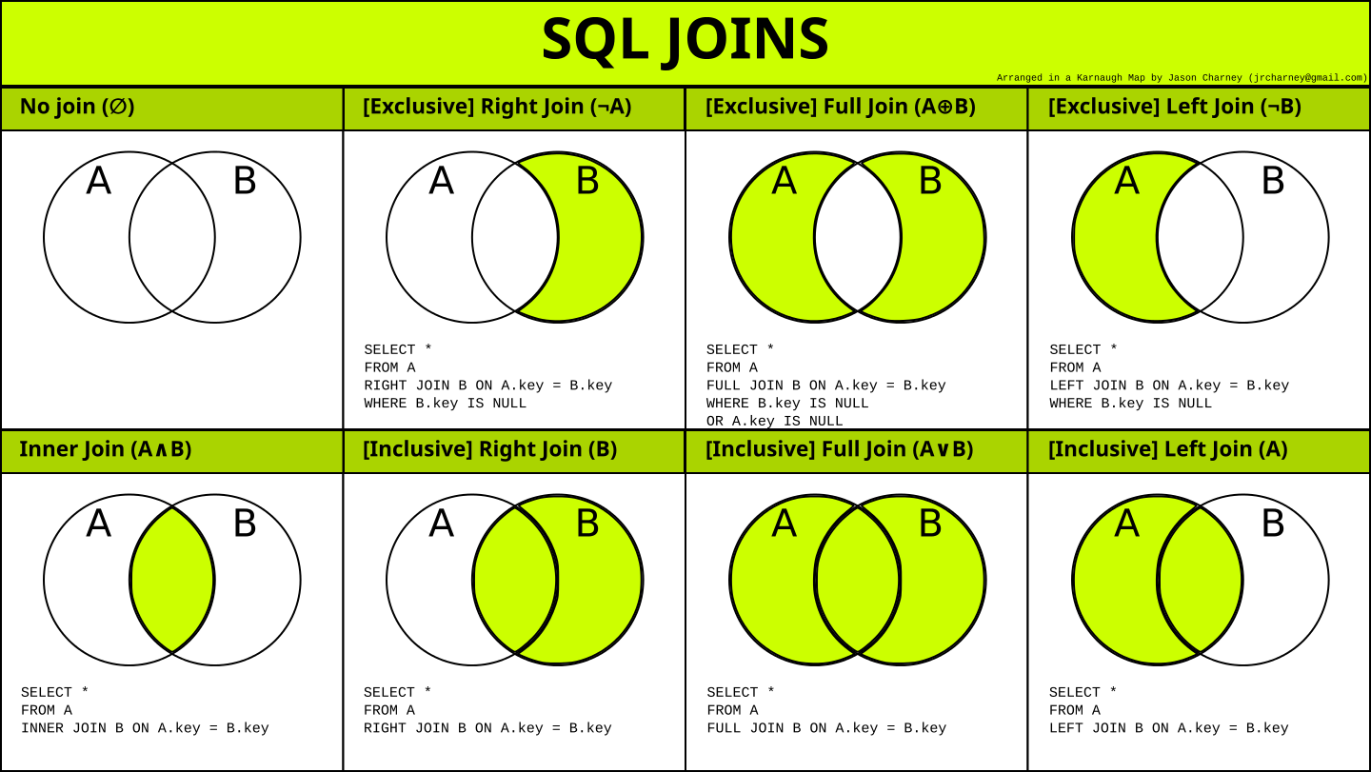

 |  | CROSS JOIN

